Screenshots
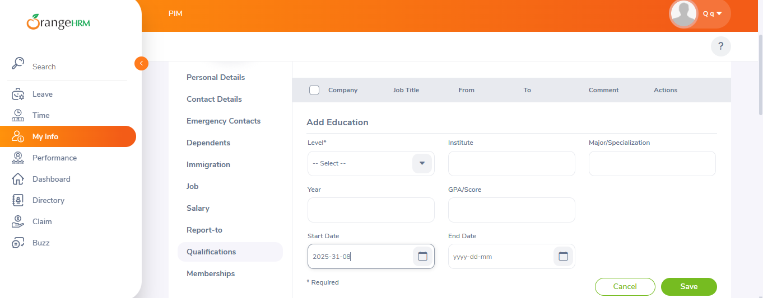
Bug .01
personal information saving with a blank fields
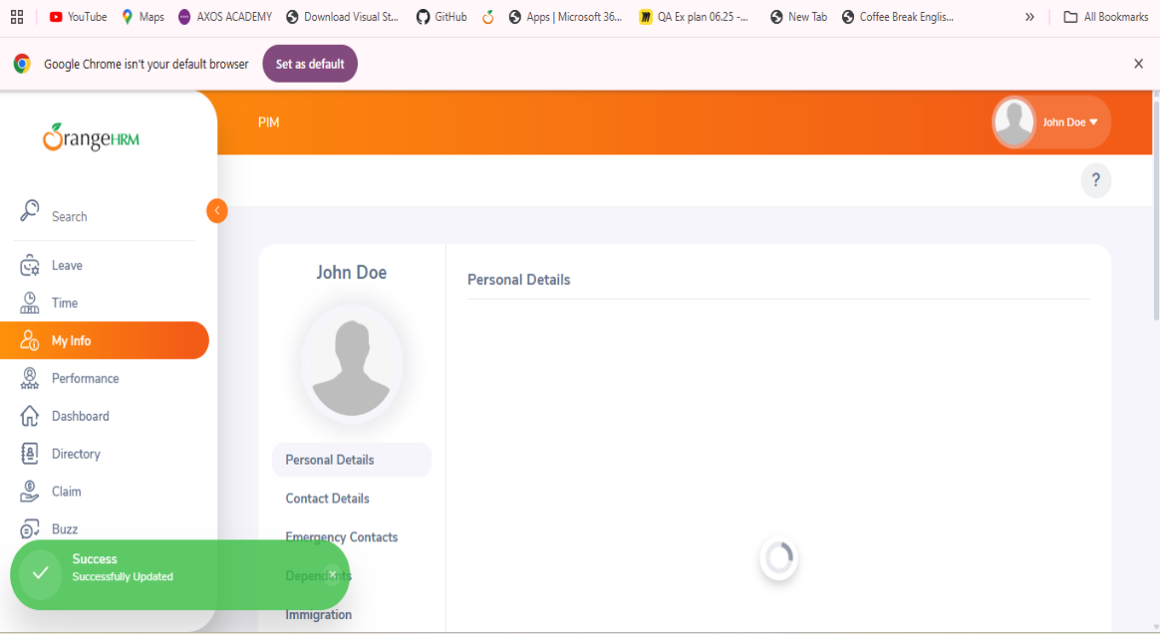

Bug.03 | Bug.04
State/Provice not switching | the City/Town field accepts invalid inputs
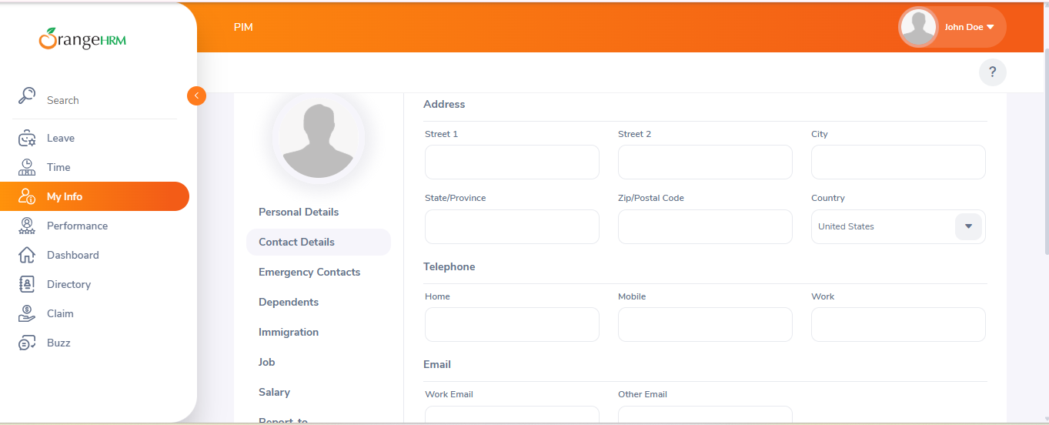
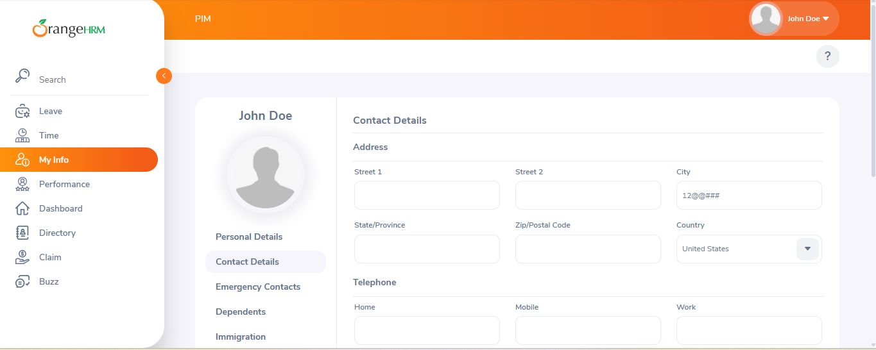

Bug.05 | Bug.06
Zip Code Field bug | Date of Birth Field bug
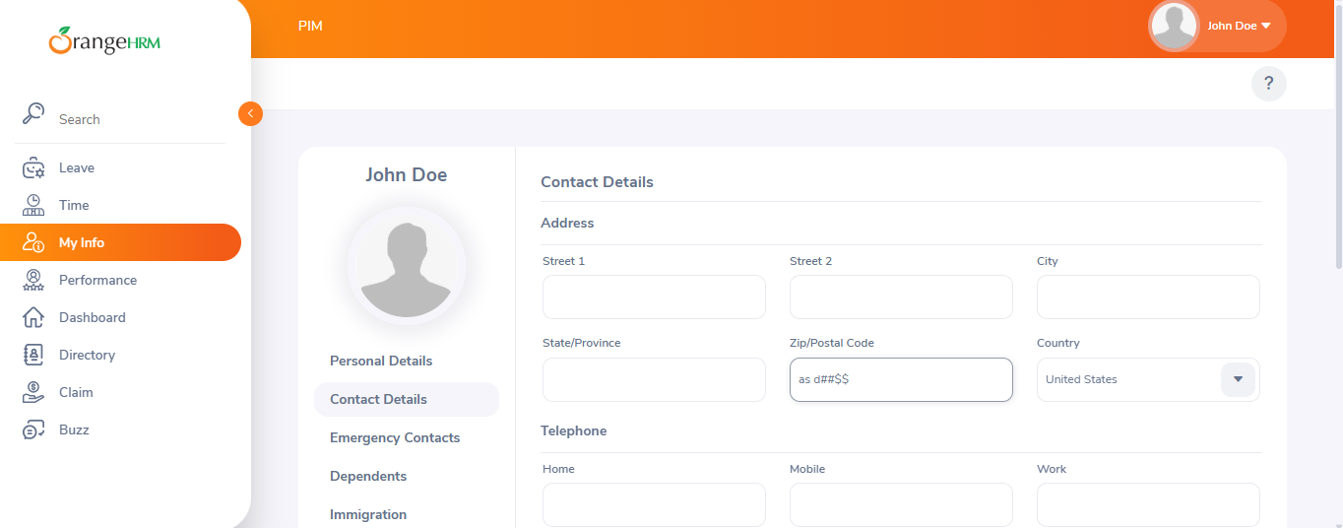
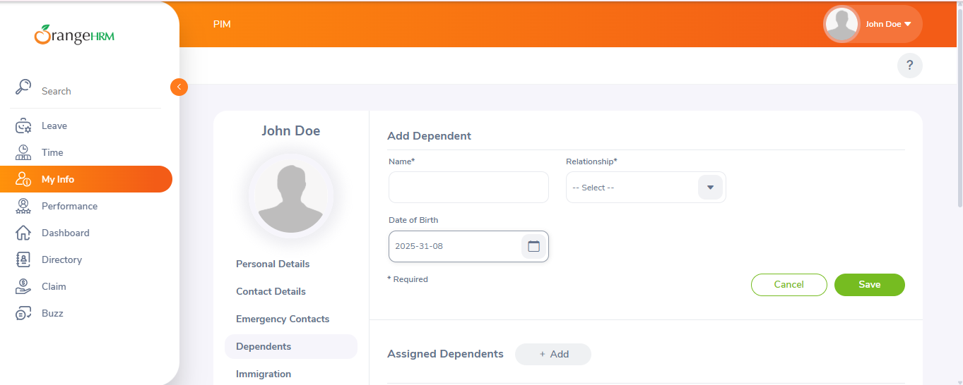

Bug.07 | Bug.08
Name Field bug | Issue Date Field bug
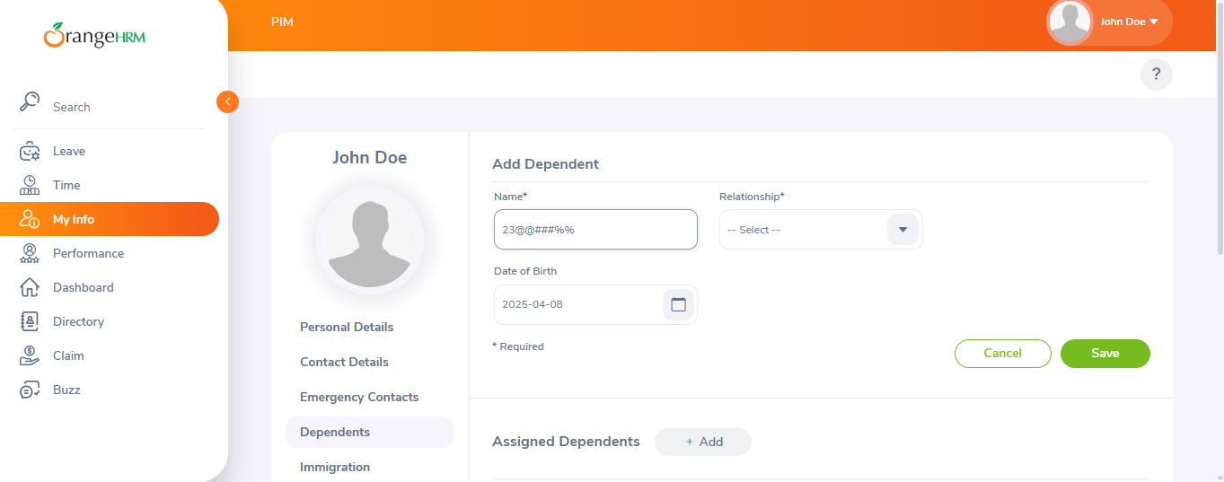
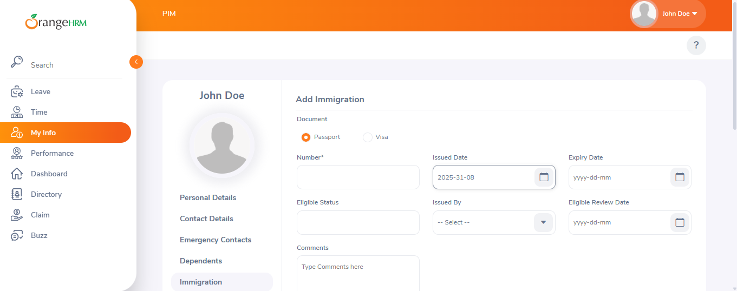

Bug.09 | Bug.10
Company Name Field bug | Job Title Field bug
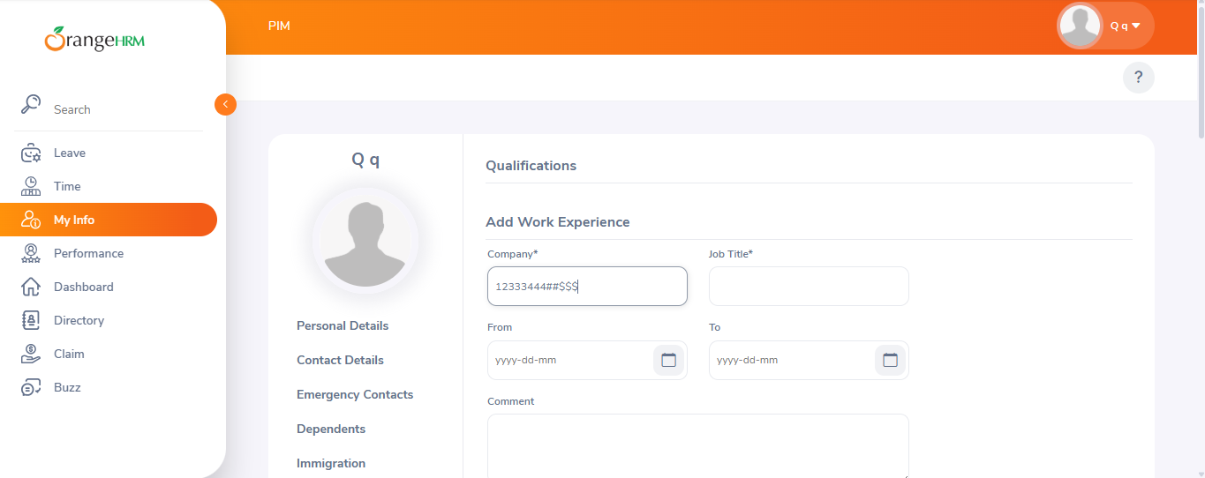
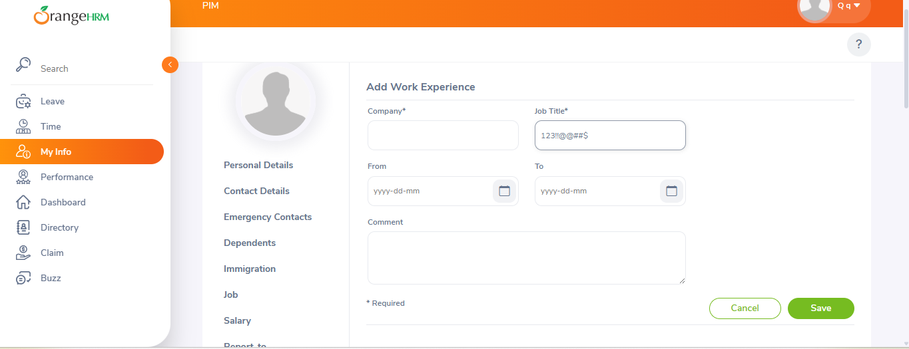

Bug.11 | Bug.12
From/To Work Experience Date bug | Deleting an Education entry bug
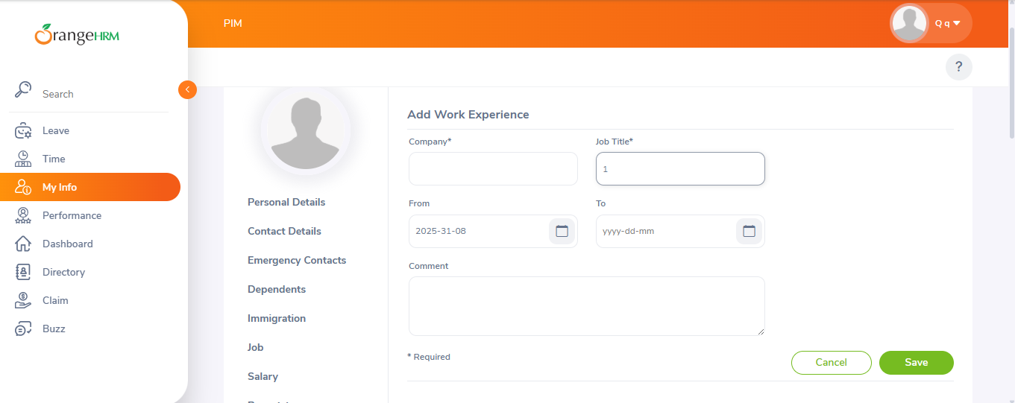
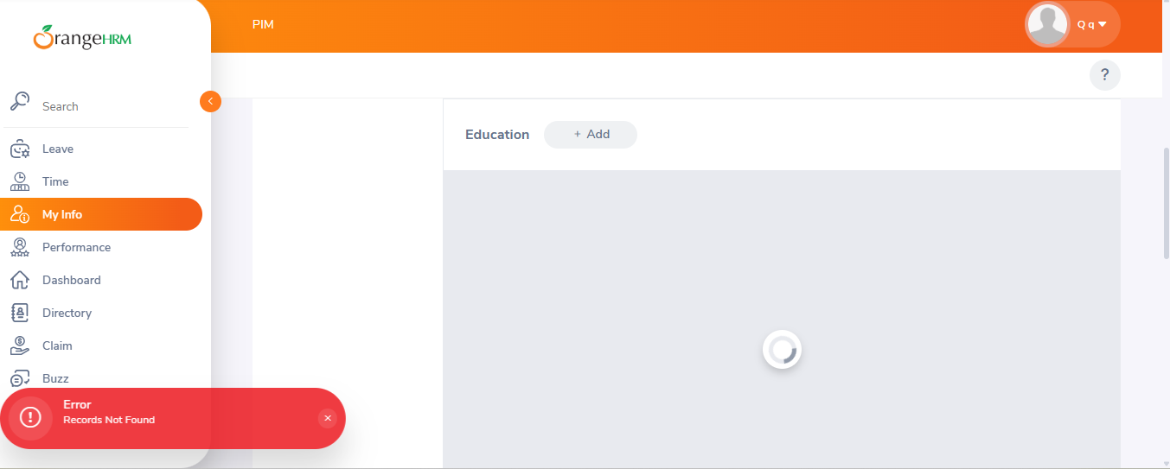

Bug.13 | Bug.14
Deleting Multible Education entry bug | The ‘Major/Specialization’ field bug
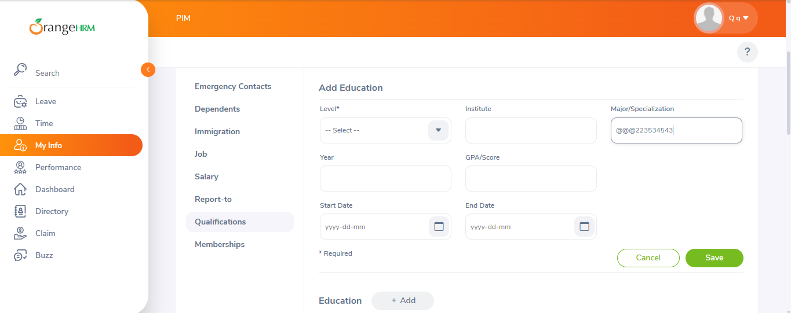

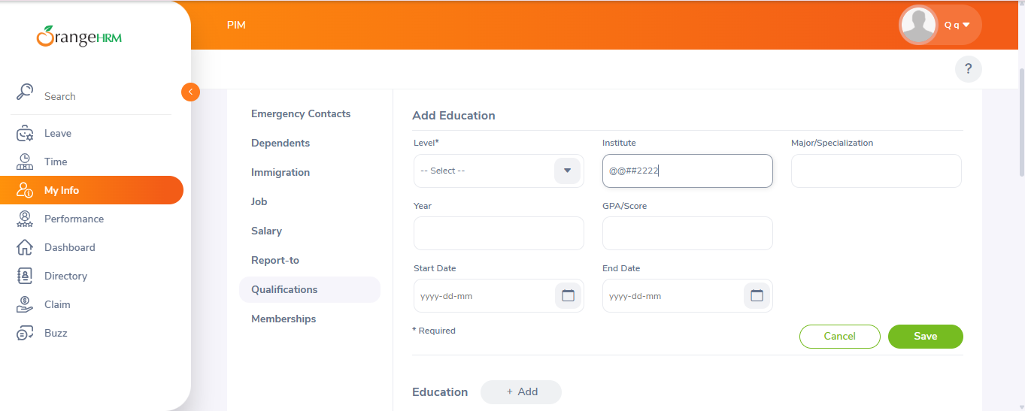
Bug.15 | Bug.21
The ‘Institution’ Field bug | The Issue/Expiry date field bug
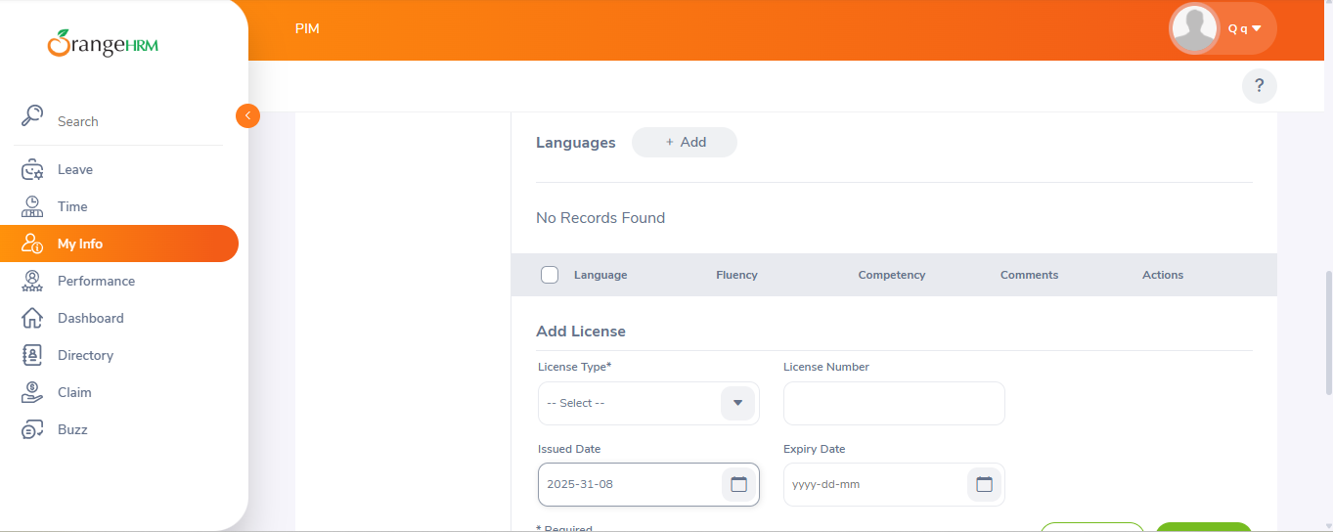

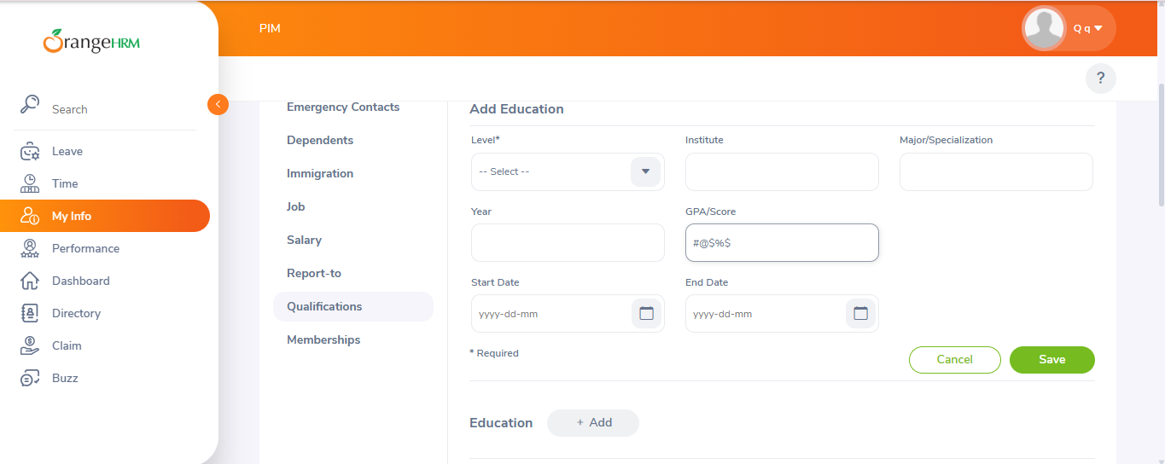
Bug.17 | Bug.18
The Year fied format bug | GPA/Score field bug
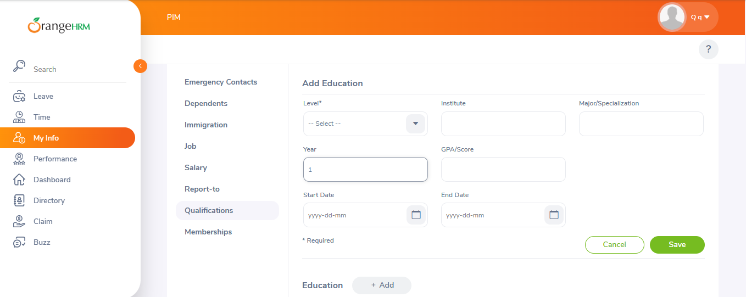

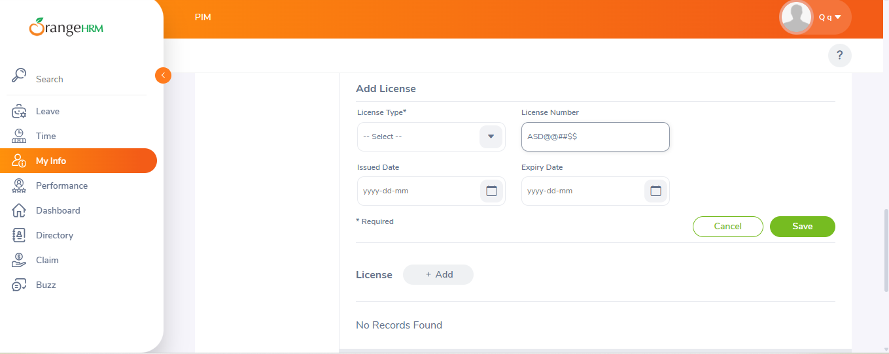
Bug.19 | Bug.20
Start/End date fields bug | License Number field bug

